Body chart
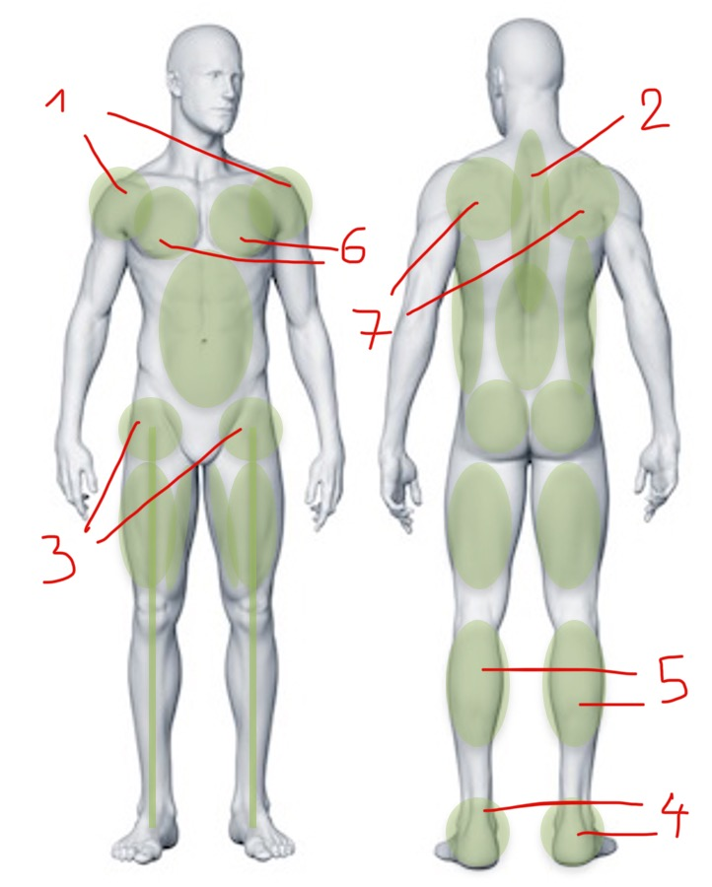
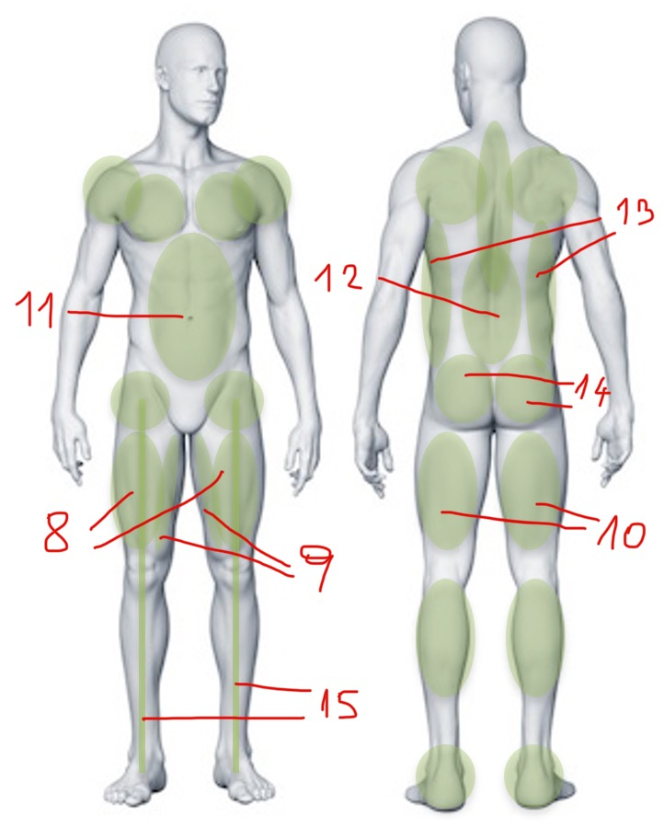
Test | Body parts

MOBILITY
Shoulder flexion | 1
T-spine extension | 2
T-spine rotation | 2
Hip flexion | 3
Hip extension | 3
Hip exorotation | 3
Hip endorotation | 3
Ankle dorsiflexion | 4 | 5

FLEXIBILITY
Pectoralis | 6
Hip flexor | 3
Quadriceps | 8
Adductor | 9
Hamstrings | 10
Sit & Reach | 10
Sit/Wall test | 1 | 2 | 7

COORDINATION & PRORPIOCEPTION
1-leg stand | 4

STABILITY & STRENGTH
Ventral core | 11
Dorsal core | 12
Lateral core | 13
Hip abductors 1 | 14
Hip abductors 2 | 14
Hip extensors | 14
Leg axis | 15

